Mars
 |  |  | SWEET REPORT
 |  |  |  | Version: 1.1.0

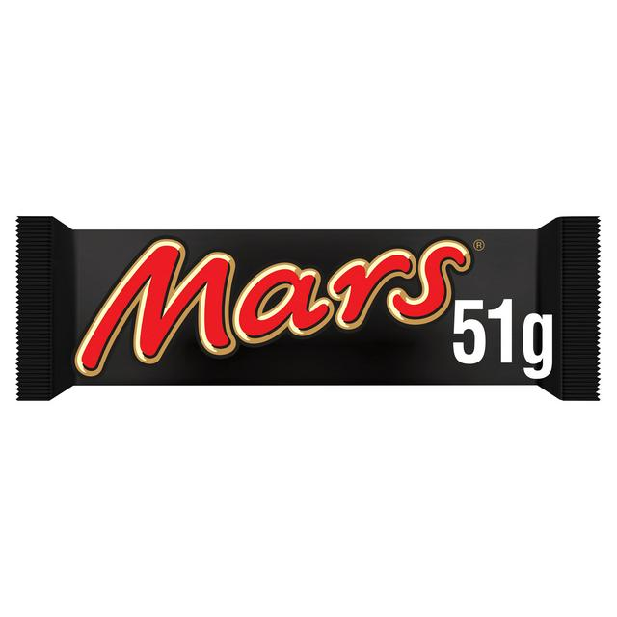
Product Info |  |  |  |  | Product Photo
Name |  | Mars bar
Manufacturer |  | Mars
Calories |  | 229
Weight |  | 51
Calories per gram |  | 4.4901960784

Nutrition
Carbohydrate | 35.3 | g | 69%
Fibre | 0 | g | 0%
Sugar | 30.5 | g | 60%
Fat | 8.5 | g | 17%
Saturated | 4.1 | g | 8%
Protein | 2.2 | g | 4%
Sodium | 0.21 | g | 0%

